Instructions
33:33B21:341:35B21:341:38B21:341:41B21:341:441:47B21:341:501:53B21:341:561:591:34
 | Follow these instructions in order. Do not skip any steps and do not add any steps
1 | Click Enable Editing at the top

2 | At the bottom of the screen click on the Fall tab

3 | Fill in your school name, the date, your name, and your grade
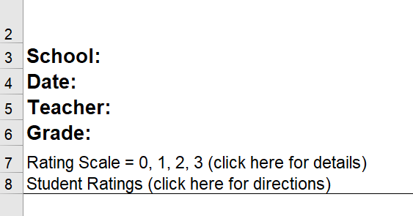

4 | Fill in the student's names on your roster. Indicate which students are virtual by typing virtual after their names in the same cell
 | Make sure you only list the names of the students who we have signed parental permission to screen.
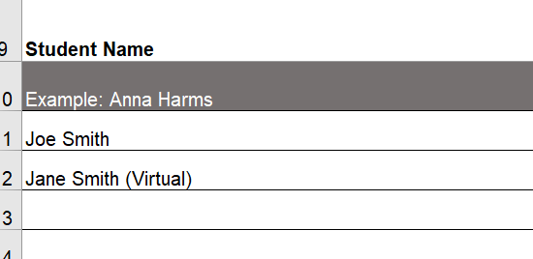

5 | Rate each student individually across all the domains indicated. The ratings are: 0=Never, 1=Occasionally, 2= Sometimes, 3=Frequently
 | Your ratings should be based on your personal knowledge of the students. Ratings shoud be based on things you have seen with your own eyes within the past 3 or 4 weeks.
 | In the example below, Jane Smith is enrolled in the virtual program, and the only knowledge you personally have regarding Jane is her academec performance for the recent past.
 | The items you have no personal knowledge of should be left blank.
 | Joe Smith, on the other hand, is in your class in person, and you should rate him on all the domains.

6 | After your ratings are complete Click File>Print and ensure your print settings are to print Landscape, and Fit to Width as below

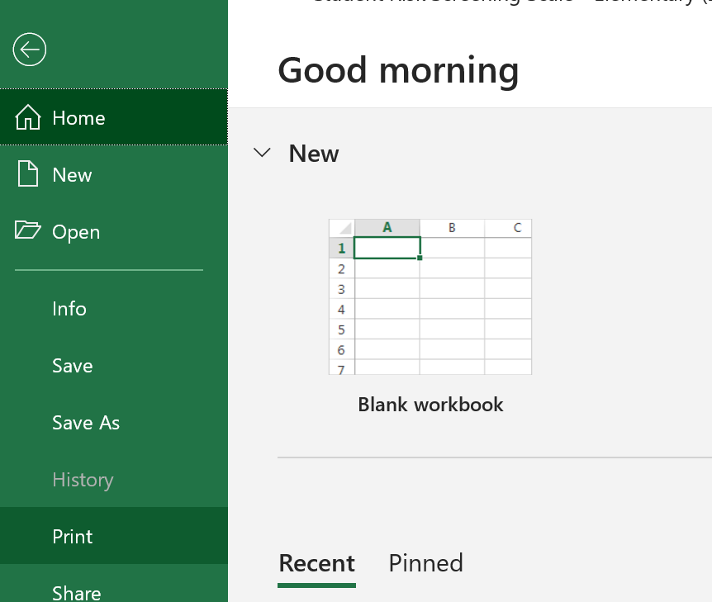

7 | Change the Page Orientation to Landscape
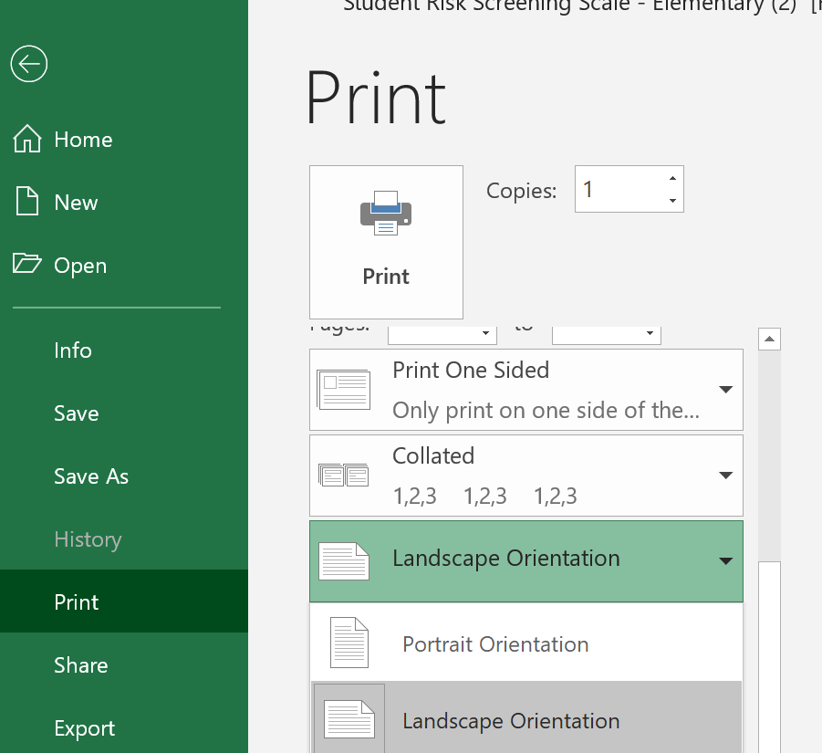

8 | Change the Scaling to Fit All Columns On One Page
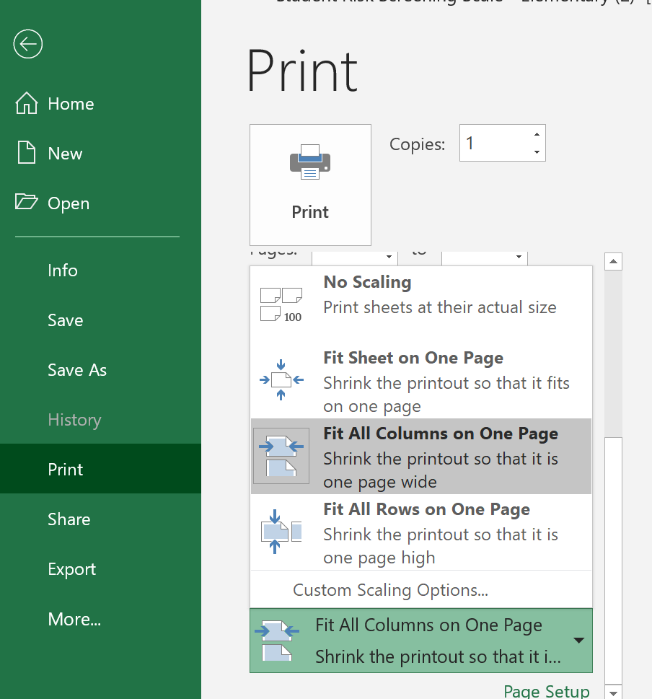

9 | Print Your Ratings

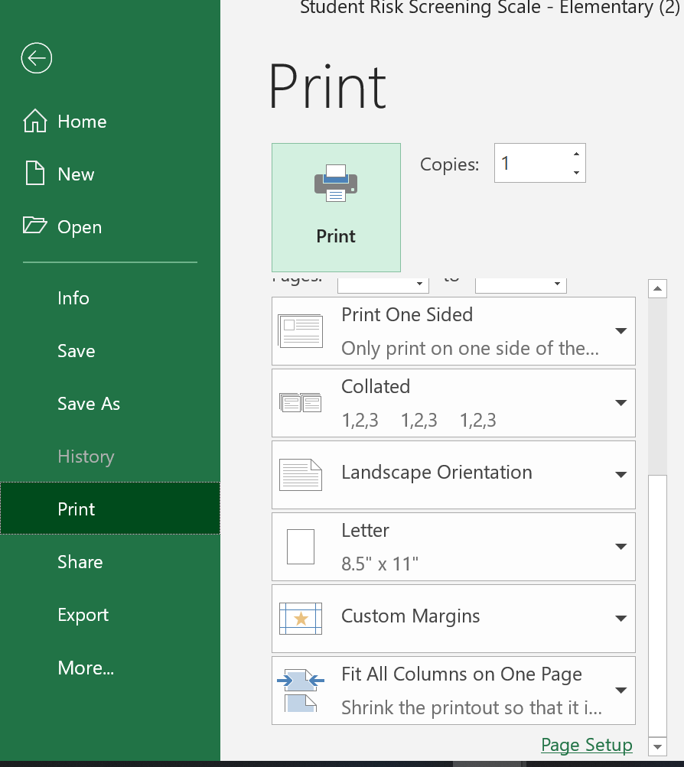

10 | Save the file to your local hard drive. I recommend to save it into the documents folder.
 | Click File/Save As

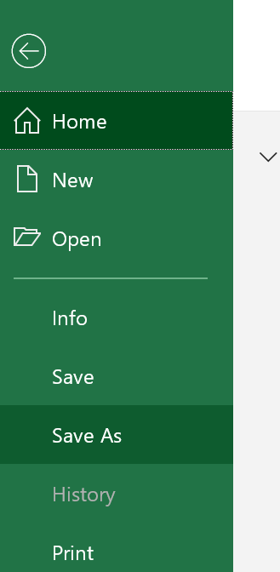

11 | Choose the Documents Folder

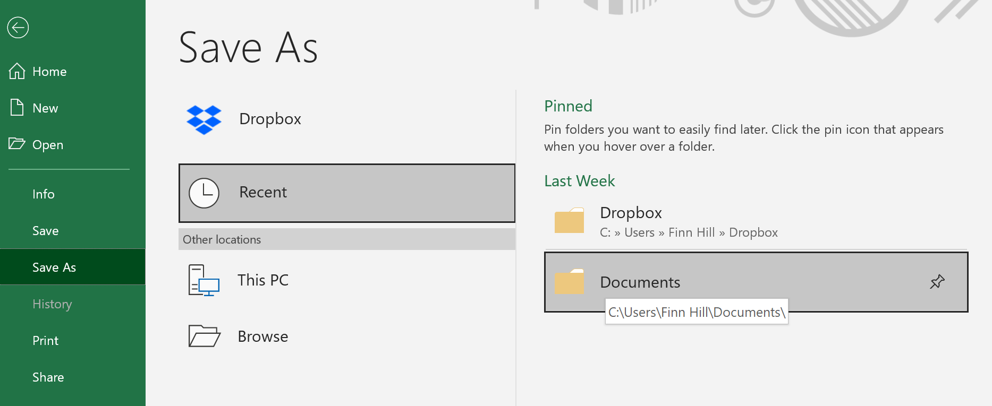

12 | When this dialog box opens save the file with the following name: School Name - Your Name - Grade You Teach - Today's Date

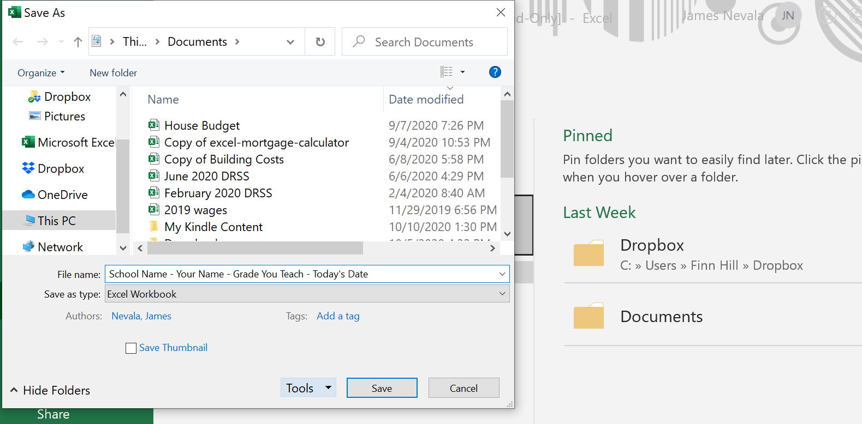

13 | Email this file as an attachment to the following email address: mentalhealth@mpsb.us

14 | Turn in the printed copy to your school Well Being Leadership Team immediately.

15 | You are now finished with the screening process until the next screening time.

